Print Page 1
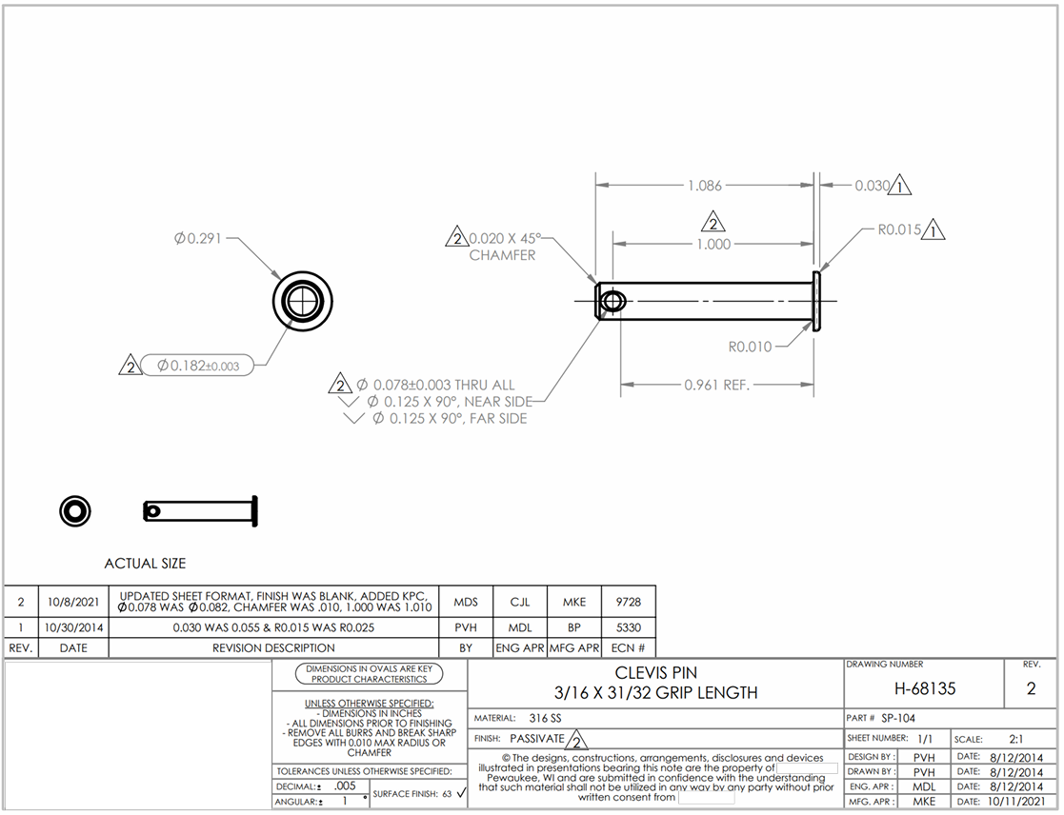

4
7

5a
5b

8
2
3

6

1
9

Tolerance Table
